Slip Control Questionnaire
Slip Control Application Questionnaire |  |  | 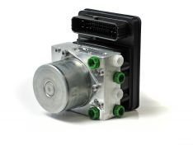 Link to Description

Please fill in boxes below where possible

PART I
Slip Control Functions required:
Engine ECU Supplier

Inputs / Outputs
List ECUs that are on the CAN bus
Is CAN architecture based on donor vehicle from a major OEM? If yes, which?
CAN bus bit rate (bits/second)
11-bit or 29-bit CAN Identifiers?
Approx. CAN bus loading when engine is running
Is there an ignition signal available on the CAN bus?
Is there an engine running signal available on the CAN bus?
Is there an engine cranking signal available on the CAN bus?
Warning lamps:
Wheel and/or Vehicle Speed output:
Are you using UDS or K-line for the vehicle OBD connection?
Diagnostic tools used during vehicle development
Diagnostic tools used during vehicle manufacture
Diagnostic tools used during vehicle service
TC/ESC Switch philosophy:
Is there a hardwired ignition signal?
Other Input / Outputs:

Installation
Connector requirements:
Modulator mounting position:
Brake pipes (lengths & diameters):
Mounting Bracket responsibility:

Sensors
Wheel speed sensors type:
Wheel speed sensor teeth per rev:
Inertial Sensor:
Steering Angle Sensor supplier:

Performance
Customer Performance spec:
Benchmark vehicle:
Trim direction or target:
Sign-off requirements:

PART II

Front brake
Brake System Data | Units | Spec 1 |  | Spec 2 | Spec 3
Front Caliper size | mm
Effective Radius | mm
Lining Mu | m
Displacement at (1) | bar
Displacement | cc
Displacement at (2) | bar
Displacement | cc

Rear Brakes
Rear Caliper size | mm
Effective Radius | mm
Lining Mu | m
Displacement at (1) | bar
Displacement | cc
Displacement at (2) | bar
Displacement | cc

Rear Brakes
Brake circuit split | Front-Rear / X-Split
M/c Pressure for 1g | bar
Wheelbase | mm
Track Width | mm
Tyre rolling radius | mm
CofG height at GVW | mm
Gross Vehicle Weight | kg
Front Axle at GVW | %
Unladen Vehicle Weight | kg
Front Axle at Unladen | %
Vehicle Yaw Inertia | kg-mm2

Actuation
M/c Diameter | mm
M/c Stroke | mm
Primary Volume | cc
Secondary Volume | cc
M/c pressure at 50kg pedal | bar
Booster size | mm

EPB Questionnaire
Electronic Park Brake (EPB) |  | 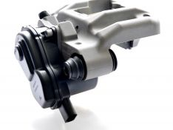 Link to Description

Please fill in boxes below where possible

Power Data
12V Power Supply available | Yes |  | No
Available Current 20Amps ( 35amps Transient for 50ms) |  |  | A
Ignition signal available? via CAN | Yes |  | No
Road speed signal available via? | Yes |  | No

Caliper Package
Have you received the indicative package space envelope model? | Yes |  | No
Does the space envelope model fit at full bump | Yes |  | No
Does the space envelope model fit at full rebound | Yes |  | No
Are mounting lugs defined | Please supply details

Performance Requirements
Disc temp range
Expected Pad life static/dynamic

Project Details
Customer Performance spec:
Benchmark vehicle:
Trim direction or target:
Sign-off requirements:

Duplex Questionnair
Duplex |  | 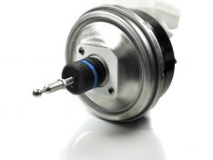 Link to Description

Please fill in boxes below where possible

Booster and Master cylinder
Jump-in value
Input rod length
Input rod type
Reservoir ports adapters required? | Yes |  | No

Currently Available Parameters

Booster
Boost ratio | 5.5
Jump-in Range (± 3) | 14 bar |  | 22 bar
Stroke | 36mm
Input Rod Length Range | 156 mm |  | 172 mm
Input rod type | Ball head

Master cylinder
Bore | 25.4 mm
Stroke | 36 mm
Reservoir Port Pitch | 28 mm

